Troubleshooting
Instructions
Start by filling out the information on the "Description" tab, some of that information will trickle to the other tabs of the workbook.
Each tab of the workbook is protected. If you want to change any of the information, click on Review > Unprotect Sheet in the menu bar. You can then change any of the information on that tab.
If the % complete cells no longer calculate correctly, the proper formula is =(F12/G12)*100 (the number inside the parenthesis should reflect the row that the formula is on, F and G are the columns on the OJT tab, columns are G and H on the other tabs). The % Complete cells have conditional formatting applied (solid progress bars). To edit the conditional formatting, click on Home > Conditional Formatting. The proper settings for the conditional formatting is shown below.
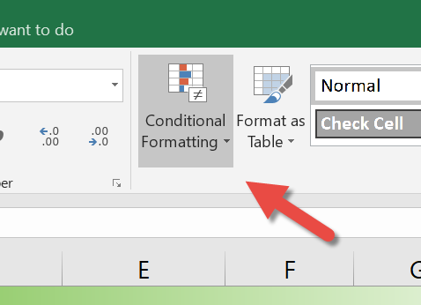
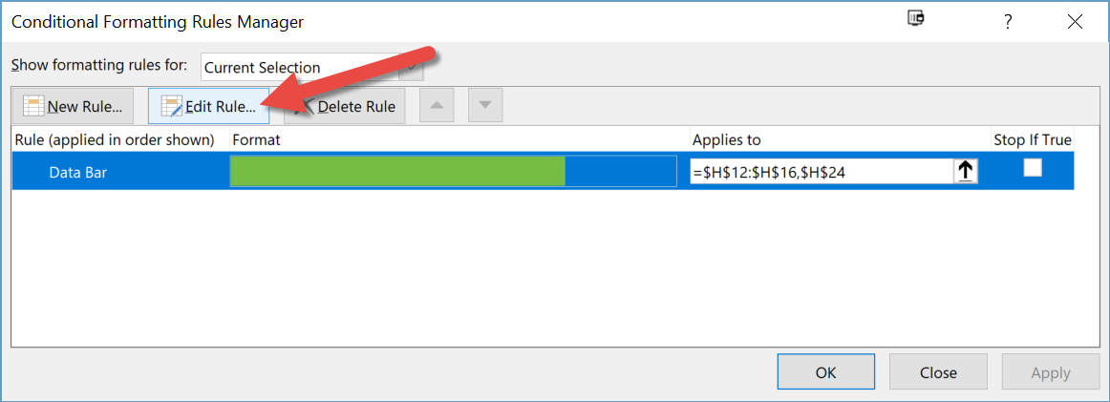

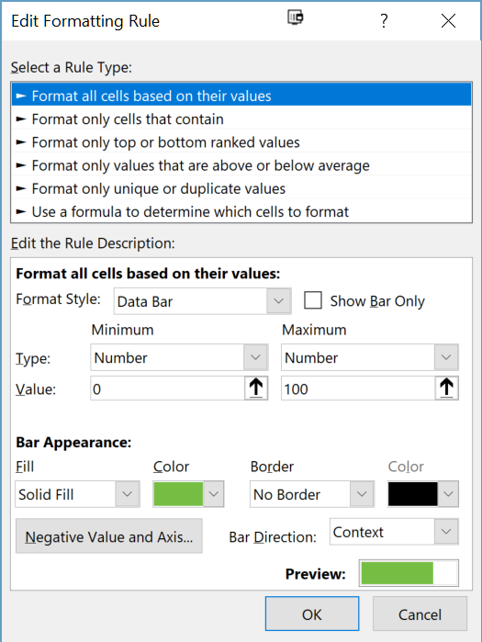

If you are using the Cohort spreadsheet to view multiple employees, make sure all of the spreadsheets are in the same directory. If you see #ref! error, close and open the Cohort spreadsheet again. The values in the Cohort spreadsheet are referenced from the individual employee spreadsheets.
References are created the same whether you are referencing information inside the same workbook, or between two different workbooks. A. Click in the cell where you want the reference to occur. B. Click on the = key. C. Navigate to the cell you want to reference and click it. If the cell is in another workbook, open the workbook and click on the desired cell. D. Click Enter. You should jump back to your original cell and see the referenced value in that cell.

